Sheet1
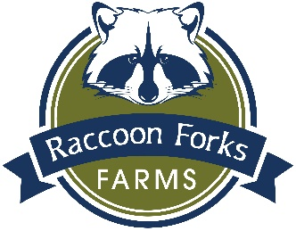
 | Raccoon Forks Farms

 | Name:

 | Email:

 | Phone:

To order: Fill in your name, contact information, choice of items, payment method, and pick-up site.
Send your order form to us by email: rforksfarm@gmail.com or mail: P.O. Box 42, Adel, IA 50003.

Payment Method: | Credit Card (We'll send you a PayPal invoice)

 | Check (Please mail to P.O. Box 42, Adel, IA 50003)

Item | Number Desired | Cost Per Item | Total

CSA - Summer '18 Vegetables

Whole Share |  | $525.00 | $0.00

Half Share |  | $325.00 | $0.00

CSA - Summer '18 Eggs

Whole Share |  | $90.00 | $0.00

Half Share |  | $55.00 | $0.00

CSA - 3 Broiler Chickens (Frozen) |  | $45.00 | $0.00

CSA - Fall '18 Vegetables

Whole Share |  | $225.00 | $0.00

Half Share |  | $175.00 | $0.00

CSA - Winter '18-'19 Eggs

Whole Share |  | $90.00 | $0.00

Half Share |  | $55.00 | $0.00

Soap

Large Bar, Original (Unscented) |  | $3.00 | $0.00

Large Bar, Amberwood Moss |  | $3.00 | $0.00

Large Bar, Cinnamon Orange Clove |  | $3.00 | $0.00

Large Bar, Cucumber Mint |  | $3.00 | $0.00

Large Bar, Lavender |  | $3.00 | $0.00

Large Bar, Vanilla Butter |  | $3.00 | $0.00

Half-Dozen Small Bars (One of each scent) |  | $4.00 | $0.00

Eggs - Large, per Dozen |  | $3.50 | $0.00

Pastured Chicken

Half Broiler (3-4 lbs.) |  | $10.00 | $0.00

Large Chicken (5-7 lbs.) |  | $15.00 | $0.00

Raccoon Forks Farms Cloth
Shopping Bags |  | $10.00 | $0.00

 | TOTAL: |  | $0.00

Please indicate your preferred pick-up site:

 | Brick Street Books & Café, Adel

 | Campbell's Nutrition, Urbandale

 | Downtown Perry Farmers' Market, Perry

 | Railroad Bill's Dining Car, Des Moines

 | Wheatsfield Coop, Ames

(For employees of these organizations, only):

 | DC-G

 | Des Moines University

 | Kemin Industries

 | Meredith Corporation

 | Sammons Financial Group, West Des Moines

